1. Title Page
[Instacart Grocery Basket Analysis]

Project Name: Instacart Basket Analysis
Date: 03/01/2023
Analyst Name: Alejandra Ortega

Contents:
Population Flow
Consistency checks
Wrangling steps
Column derivations
Visualizations
Recommendations

Instacart Data Sets:
 | Customers Data Set
 | Data Dictionary
 | Citation (required in your final report): “The Instacart Online Grocery Shopping Dataset 2017”, Accessed from https://www.instacart.com/datasets/grocery-shopping-2017 on .

2. Population Flow
Title page

Population flow

Exclusion flag
Condition: max_order < 5
Obervations to be removed:
Final total count of order_products_all: 32,404,859

Orders_products_combined
Orders_products_merged
Orders_products_all

Total: 32,404,859
Total: 32,640,698
Total: 32,404,859

1.) The grey boxes in the first row of the population flow represent the original data sets as they were when you downloaded them. In the Total fields you need to add the count of the rows when you imported the data set into Jupyter.
2.) The second row of boxes (coloured) represents the data sets after you manipulated them, e.g., removed missing values and duplicates. In the Total fields you need to add the count of the rows after conducting these operations. This offers a visual oveview of how the data flows throughout the data consistency checks.
3.) The third row, where also the arrows are coloured, represents the merges you performed between the datasets. In the Total fields you need to add the count of the rows in the merged datasets, so that you end up with the final dataset (in the red box). Keep in mind the final dataset should be without exclusions (based on the exclusion flag).

3. Consistency checks
 |  |  |  | Title page
Consistency checks

Dataset | Missing values | Missing values treatment | Duplicates
orders | 206,209 missing values in the days_since_prior_order_column | df_ords_clean = df_ords[df_ords['days_since_prior_order'].isnull()== False] Missing values were filtered and the dataframe saved with a new name | No duplicate values
products | 16 missing values in the column produc_name | The dataframe was filtered and saved with a new name
orders_products_prior | None | None | None
customers | 11259 missing values in the name column | The dataframe was filtered and saved with a new name | None

4. Wrangling steps
 |  |  |  | Title page
Wrangling steps

Columns dropped | Columns renamed | Columns' type changed | Comment/Reason
Dataframe: orders
eval_set |  |  | Unnecesary data for the analysis
 | order_dow to orders_day_of_week |  | The name wasn’t clear and intuitive
 |  | order_id to string | Defined all id as string as standard data type they are not use in a mathematical purpose
 |  | user_id to string | Defined all id as string as standard data type they are not use in a mathematical purpose
 | 'order_id' : 'order_number' |  | It makes clearer the content
Dataframe: df_customers
 | First name: name |  | make the name clear and intuitive
 | Surnam: last_name |  | make the name clear and intuitive
 | STATE: state |  | make the name clear and intuitive
 | Age: age |  | make the name clear and intuitive
 | Gender: gender |  | make the name clear and intuitive

5. Column derivations
 |  |  |  | Title page

Column derivations and aggregations

In this tab you should add tables below that the frequences of flags/label variables that you produced after deriving them. NB: don't do this for continuous variables, only for flags.
Dataset | New column | Column/s it was derived from | Conditions
ords_prods_merge | Prices | Price_label | 'Prices' <= 5 'Low-range product) 'Prices' > 5 & 'Prices' <= 15, Mid -range product 'Prices > 15 'High range'
ords_prods_merge | busiest_day | orders_day_of_week | 'orders_day_of_week' = 0, Busiest day 'orders_day_of_week' = 4, Least busy 'orders_day_of_week' else, Regularly busy
ords_prods_merge | busiest_days | orders_day_of_week | 'orders_day_of_week' = 0 or 1, Busiest days 'orders_day_of_week' = 4 or 3 , Slowest days 'orders_day_of_week' else, Regularly busy
ords_prods_merge | busiest_period_of_day | order_hour_of_day | 'order_hour_of_day >= groups_percentile [0], Most orders 'order_hour_of_day <= groups_percentile [2], Few orders else, Average orders
df_ords_prods_merge | loyalty_flag | max_order | 'max_order' > 40, Loyal customer max_order <= 40 & > 10, Regular customer max_order <= 10, New customer
df_ords_prods_merge | spender_criteria | avg_price | avg_price >= 10, High spender avg_price < 10, Low spender
df_ords_prods_merge | frequency | frequecy_order_median | 'frequency_order_median >20, Non- frequent customer 'frequency_order_median >10 & <= 20, Regular customer 'frequency_order_median <= 10, Frequent customer

6. Visualizations
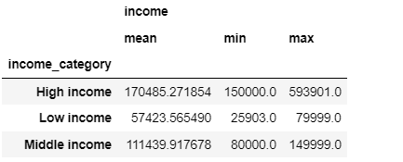
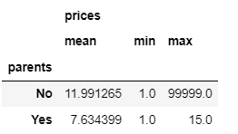
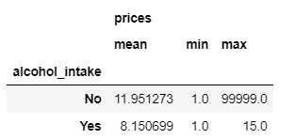
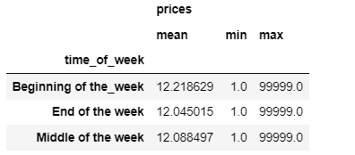
 |  |  |  |  |  |  |  |  |  |  | Title page

Visualisations

In this tab you should include all the visualtions from Exercises 4.9 and 4.10, alongside the questions from the project brief that they answer. Include any commentary on the relationship between different variables.

Question 1
The sales team needs to know what the busiest days of the week and hours of the day are (i.e., the days and times with the most orders) in order to schedule ads at times when there are fewer orders.

 | Frequency of the orders by day of the week:
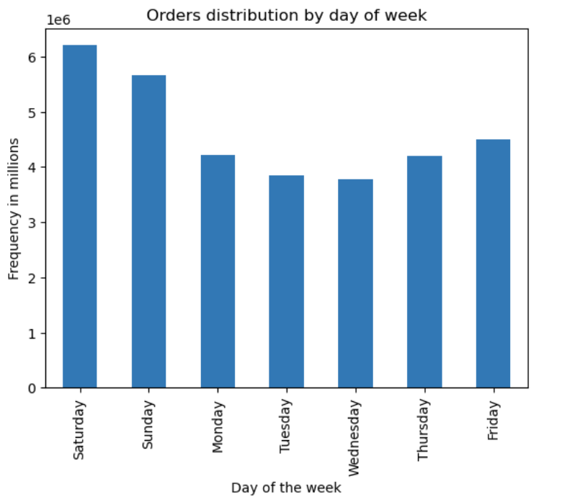
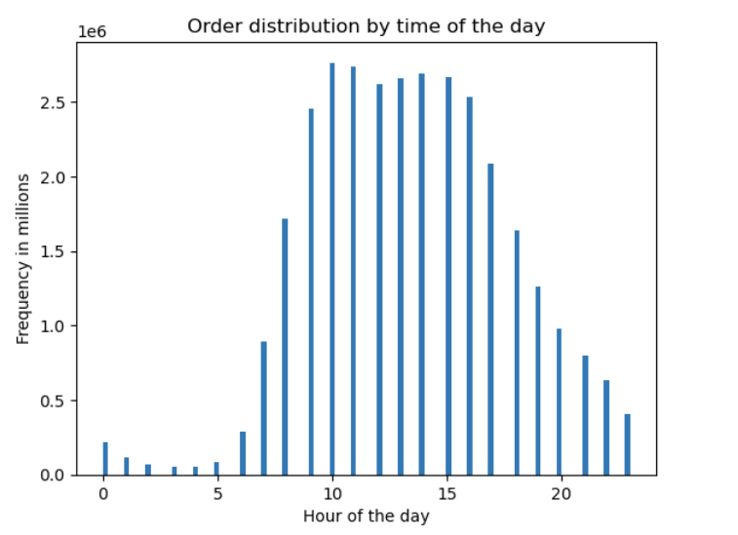

 |  |  |  |  |  |  |  |  |  |  |  |  |  |  |  | As conclusion the best time to reach the highest number
 |  |  |  |  |  |  |  |  |  |  |  |  |  |  |  | of customers

 |  |  |  | Figure 1. Orders Distribution by day of week |  |  |  |  |  | Figure 2. Order distribution by time of the day

 | As we can see in this chart the days with higher number of orders are Saturday and Sundar, and it is |  |  |  |  |  |  |  | This second chart shows the distributioon of the order by hour of the day
 | on Friday when they start to increase again. |  |  |  |  |  |  |  | As we can see the highest number of orders occurs at 10 am
 | In general it is during the weekend when the majority of orders happen. |  |  |  |  |  |  |  | And from 10 am to 3 pm is the range of time when the number of higher is bigger.

Conclusion
The days and time when the majority of orders occurr are Friday to Sunday from 10 am to 3 pm And the day/time with lower order frequency are Tuesday, Wednesday. And the orders decrease in the early morning and after 7 pm. This would be the suggested timeframe for posting ads.

Question 2
Particular times of the day when people spend the most money, as this might inform the type of products they advertise at these times.

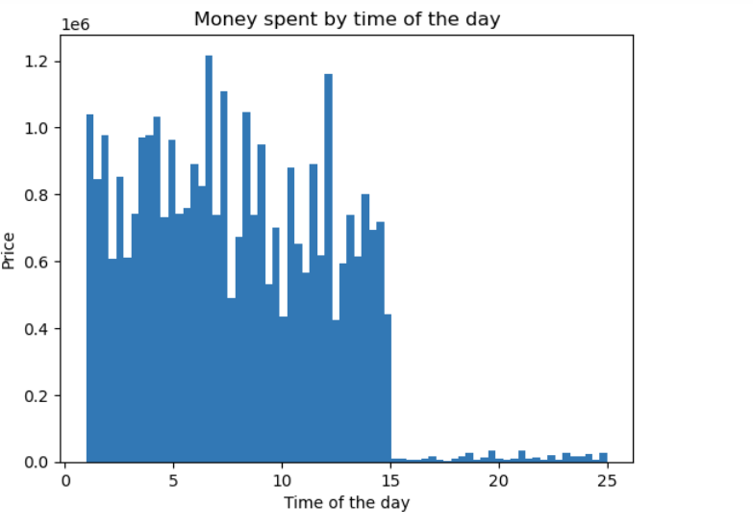

Conclusion
The orders with higher sales occur between 5 am ad 8 am and there are also some good sales around 12 pm
These charts let us conclude that despite of the higher amount of orders take palce betwwen 10 am and 3 pm, the most money spent happens during 5 am and 8 am, which means that during these hours there are less orders but the price per order is higher.

 |  |  | Figure 3. Money spent by time of the day |  |  |  |  |  | Figure 4. Order distribution by time of the day

Question 3
Instacart has a lot of products with different price tags. Marketing and sales want to use simpler price range groupings to help direct their efforts

The following information presents the producst grouped by price:
Products price over 15 dolars are considered High - range product
Products price between 15 and 5 dolars are considered Mid range product
Products under 5 dolars are considred as Low range product

In the following table we can see the frequency of products ordered grouped by price (High, mid and low)

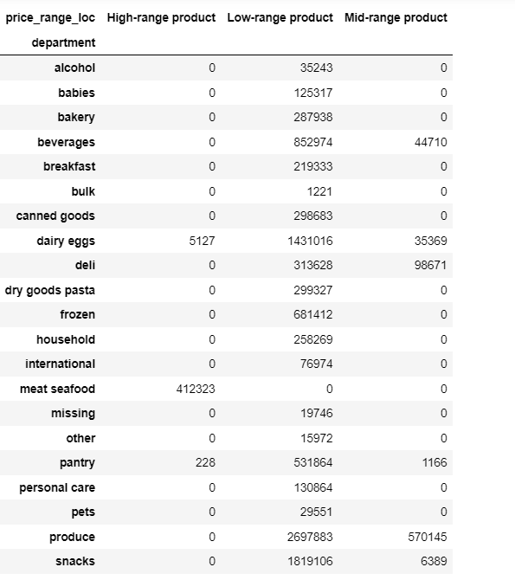
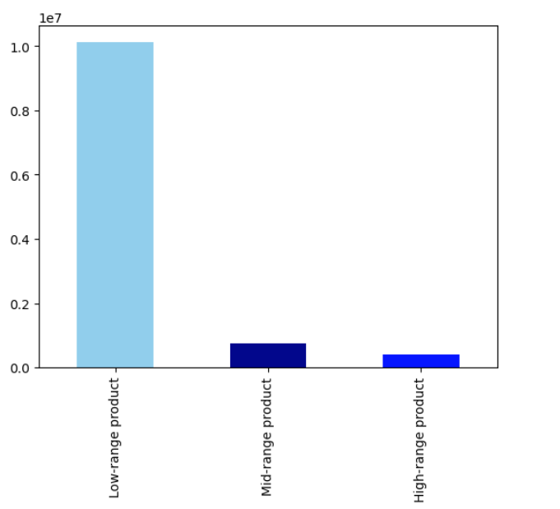

Conclusion
The most frequent products are the porudcts with a price lower than 5 dolars.

 |  |  |  |  |  | Figure 6. Distribution of orders by group
 | Figure 5. Table of orders by department

Question 4
Are there certain types of products that are more popular than others? The marketing and sales teams want to know which departments have the highest frequency of product orders.

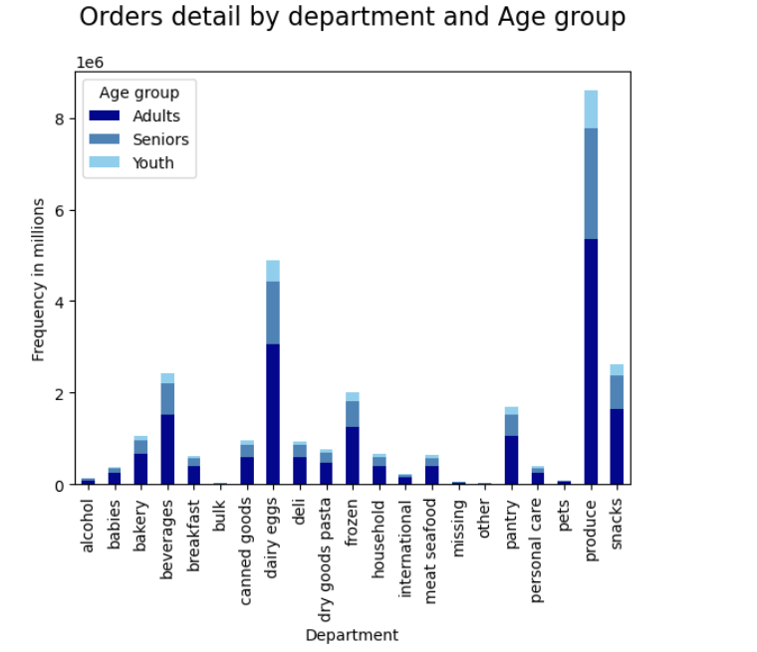

Conclusion
As the graph shows the most common products are: 1. Produce Products 2. Dairy eggs 3. Beverages

 |  | Figure 7. Orders detail by department and Age group

Question 5
The marketing and sales teams are particularly interested in the different types of customers in their system and how their ordering behaviors differ.

 | 5.1 What’s the distribution among users in regards to their brand loyalty ?

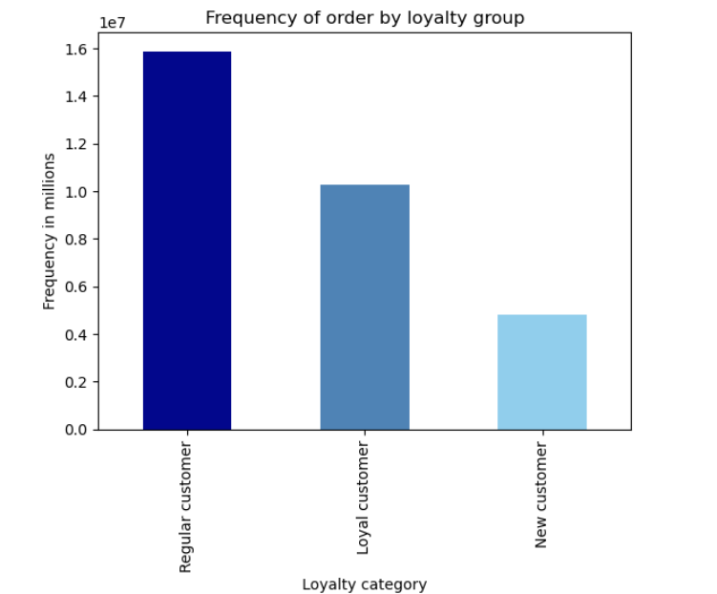
 |  |  |  |  |  | Customer return by loyalty group in days
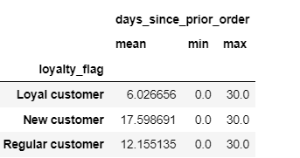

 |  |  |  |  |  |  |  |  |  |  |  | Comments:
 |  |  |  |  |  |  |  |  |  |  |  | Based on the frequency of orders we can tell that the majority of the customers today are regular customers.
 |  |  |  |  |  |  |  |  |  |  |  | The loyalty assignation is defined by the following criteria:
 |  |  |  |  |  |  |  |  |  |  |  | Loyal customer | More than 40 orders
 |  |  |  |  |  |  |  |  |  |  |  | Regular customer | Less than 40 orders more than 10
 |  |  |  |  |  |  |  |  |  |  |  | New customer | Less than 10 orders

 |  |  |  |  |  | Table 1. Customer returin by loyaly group in days |  |  |  |  |  | A loyal customer return every 6 days.
 |  |  |  |  |  |  |  |  |  |  |  | And regular customers come twice a week, but regular customers get products with higher prices

 |  |  |  |  |  | Product price bought by loyalty group
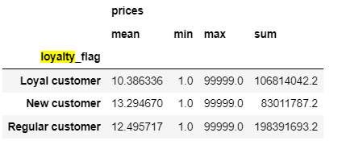

 |  |  |  |  |  | Table 2. Product price bought by loyaltu group
 | Figure 8. Frequency of order by loyalty group

 | 5.2 Are there differences in ordering habits based on a customer’s loyalty status?
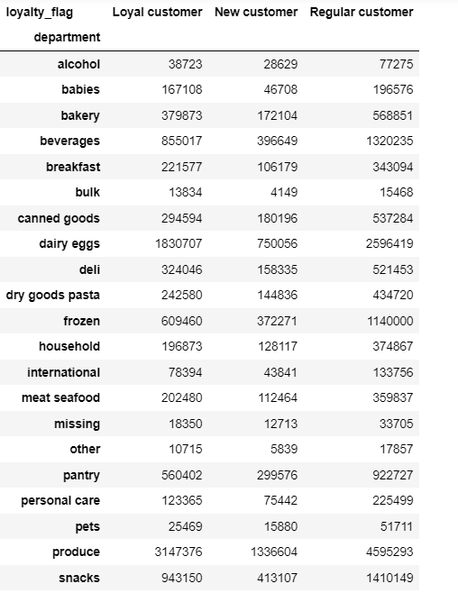
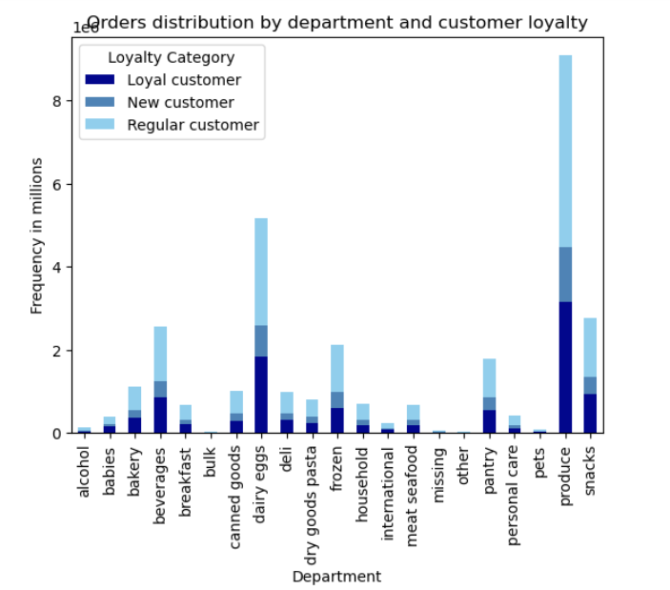

 |  |  |  |  |  |  |  |  |  |  |  | Customer return by loyalty group in days |  |  |  | Comments:

 |  |  |  |  |  |  |  |  |  |  |  |  |  |  |  | Customer habit by loyalty

 |  |  |  |  |  |  |  |  |  |  |  |  |  |  |  | Loyal Customers
 |  |  |  |  |  |  |  |  |  |  |  |  |  |  |  | Return every 6 day ( they do their order once a week in average)
 |  |  |  |  |  |  |  |  |  |  |  |  |  |  |  | The average price of the product is 10.38 dol
 |  |  |  |  |  |  |  |  |  |  |  |  |  |  |  | The most common product they get is from produce department

 |  |  |  |  |  |  |  |  |  |  |  | Table 4. Customer return by loyalty group in days |  |  |  | Regular Customers
 |  |  |  |  |  |  |  |  |  |  |  |  |  |  |  | Return every 12 days
 |  |  |  |  |  |  |  |  |  |  |  |  |  |  |  | The average price of the products the y get is 12.49 dolars
 |  |  |  |  |  |  |  |  |  |  |  | Product price bouth by loyalty group |  |  |  | The most common product they get is in the produce department

 |  |  |  |  |  |  |  |  |  |  |  |  |  |  |  | New Customer
 |  |  |  |  |  |  |  |  |  |  |  |  |  |  |  | Return every 17 days
 |  |  |  |  |  |  |  |  |  |  |  |  |  |  |  | The average price of the products they get is 13.29 dol
 |  |  |  |  |  |  |  |  |  |  |  |  |  |  |  | They usually get products from the produce department

 |  | Table 3. Frequency of order by loyalty group and
 |  |  | department |  |  |  |  |  |  |  |  | Table 5. Product price bought by loyalty group

 |  |  |  |  | Figre 9. Orders distribution by department and customer loyalty

 | 5.3 Are there differences in ordering habits based on a customer’s region?

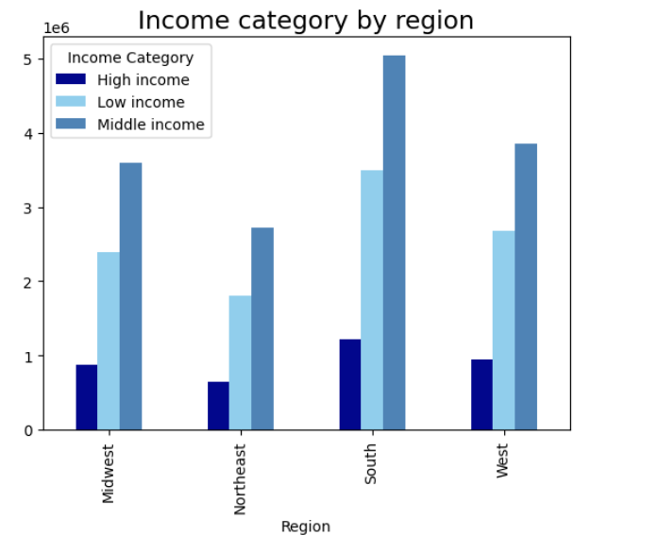
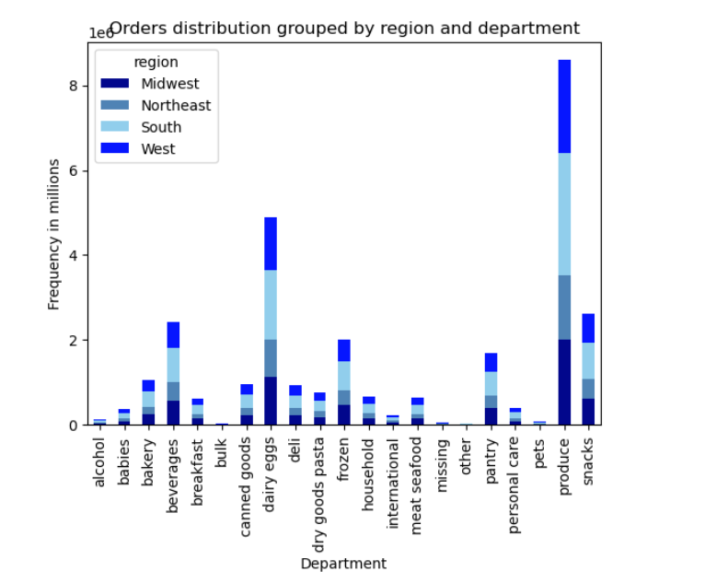
 |  |  |  |  |  |  |  |  |  |  |  |  |  |  |  |  | Comments:
 |  |  |  |  |  |  |  |  |  |  |  |  |  |  |  |  | The Income category by region grpah let us see that the majority
 |  |  |  |  |  |  |  |  |  |  |  |  |  |  |  |  | of the customers have a middle income.
 |  |  |  |  |  |  |  |  |  |  |  |  |  |  |  |  | And it is in the South part of the country where there is the highest
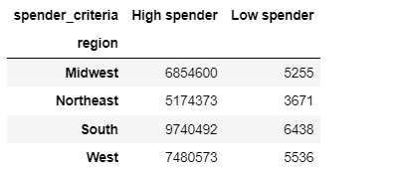
 |  |  |  |  |  |  |  |  |  |  |  |  |  |  |  |  | number of people with middle income.

 |  |  |  |  |  |  |  |  |  |  |  |  |  |  |  |  | About habits we can colude:
 |  |  |  |  |  |  |  |  |  |  |  |  |  |  |  |  | In the Midwest, Northwast, South and West the most common department
 |  |  |  |  |  |  |  |  |  |  |  |  |  |  |  |  | is the produce department follow by the dairy and eggs products.

 |  |  |  |  |  |  |  |  |  |  |  |  |  |  |  |  | An related to the amount of money spent by order, it is in the South were
 |  |  |  |  |  |  |  |  |  |  |  |  |  |  |  |  | the customers spend more money.

 |  |  |  |  |  |  |  |  |  |  |  | Table 6. Frequency of orders by spender criteria and region

 |  |  | Figure 10. Income cateogry by region |  |  | Figure 11. Orders distribution by region an department

 | 5.4 Is there a connection between age and family status in terms of ordering habits?

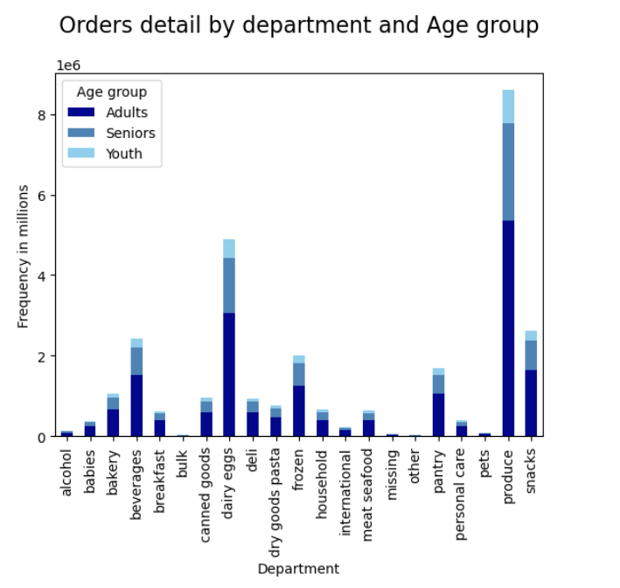

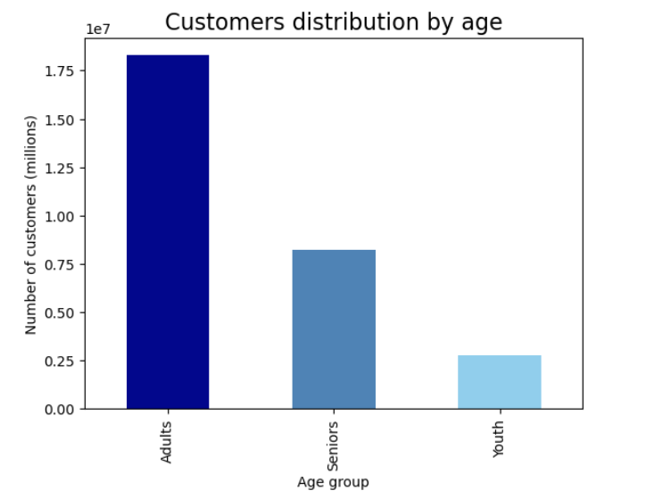

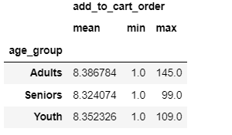
 |  |  |  |  |  |  |  |  |  |  |  |  |  |  |  |  |  | The main group of age that uses Instacar are adults, then seniors
 |  |  |  |  |  |  |  |  |  |  |  |  |  |  |  |  |  | and finally youth.
 |  |  |  |  |  |  |  |  |  |  |  |  |  |  |  |  |  | The most common department for these three groups is the
 |  |  |  |  |  |  |  |  |  |  |  |  |  |  |  |  |  | produce department.
 |  |  |  |  |  |  |  |  |  |  |  |  |  |  |  |  |  | And the second most common one for the three groups are the eggs and dairy products.

 |  |  |  |  |  |  |  |  |  |  |  |  |  | Table 7. Number of porducts bought by age group

 |  |  |  |  |  |  | Figre 13. customers distribution by age

 |  | Figure 12. Orders detail by department and age group
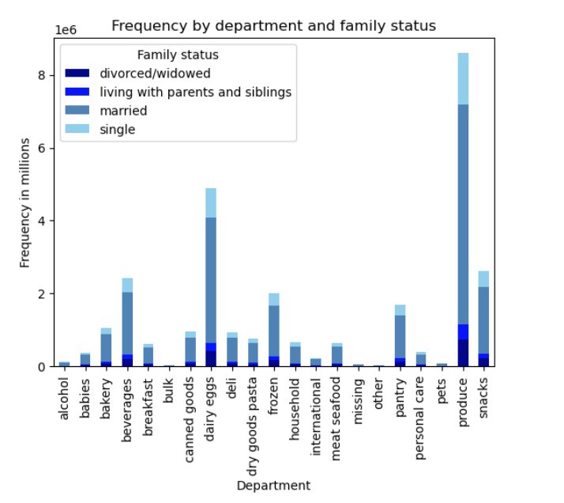
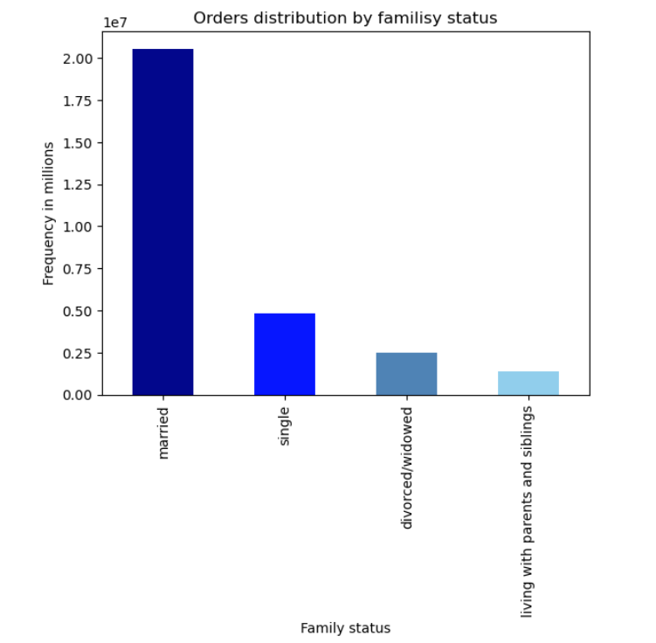
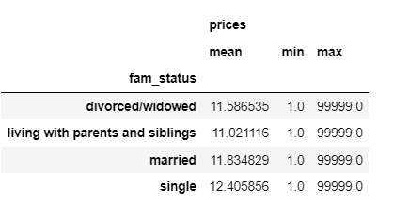
 |  |  |  |  |  |  |  |  |  |  |  |  |  |  |  |  |  |  | The most common family status of the customers is married.
 |  |  |  |  |  |  |  |  |  |  |  |  |  |  |  |  |  |  | And secondly, single customers.
 |  |  |  |  |  |  |  |  |  |  |  |  |  |  |  |  |  |  | According to the family status the most common department
 |  |  |  |  |  |  |  |  |  |  |  |  |  |  |  |  |  |  | is the produce department and the second one is eggs and dairy.

 |  |  |  |  |  |  |  |  |  |  |  |  |  |  | Table 8. Average product price by family status

 |  |  |  |  |  |  |  | Figure 15. Frequency by department and
 |  |  |  |  |  |  |  |  | family status

 |  | Figure 14. Orders distribution by family status

 | 5.5 What different classifications does the demographic information suggest? Age? Income? Certain types of goods? Family status?

 | Some of the suggested considerations are the folllowing:

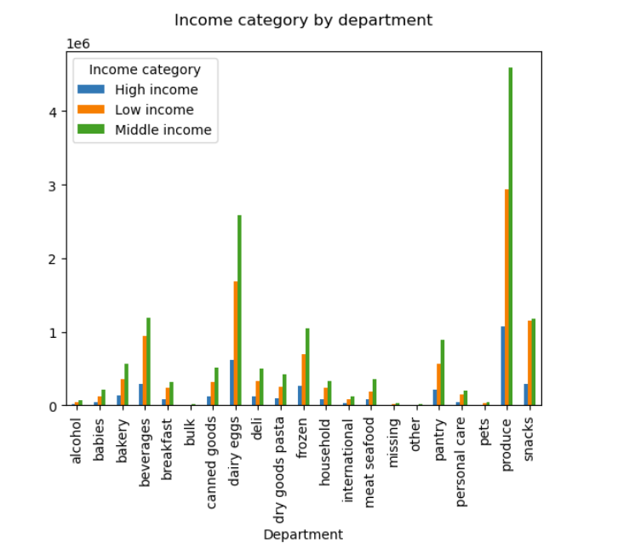
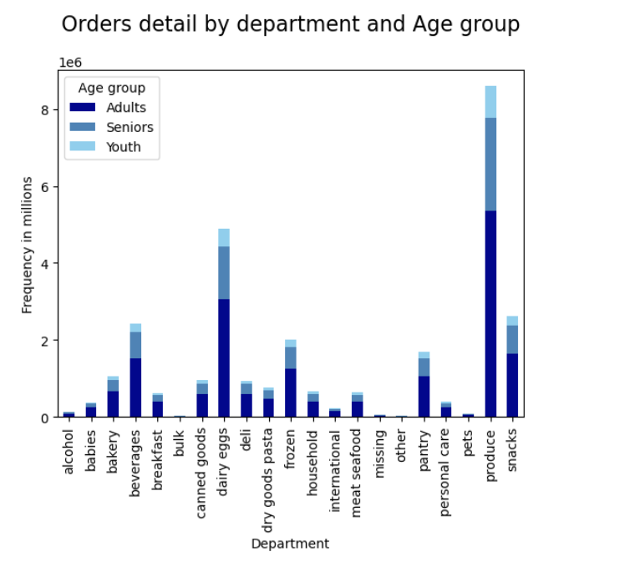
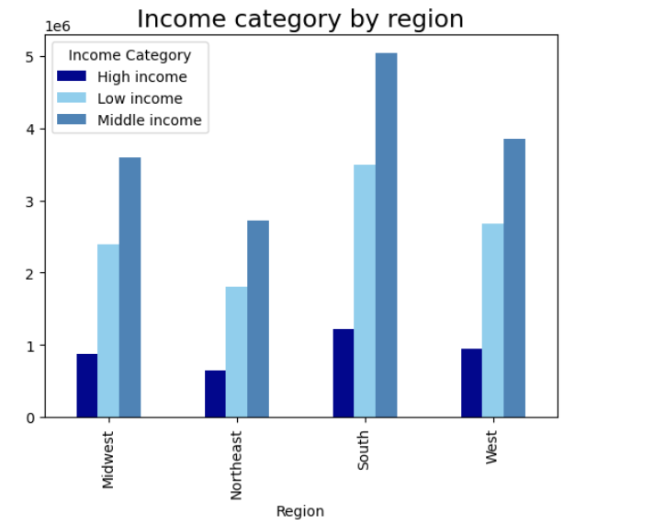
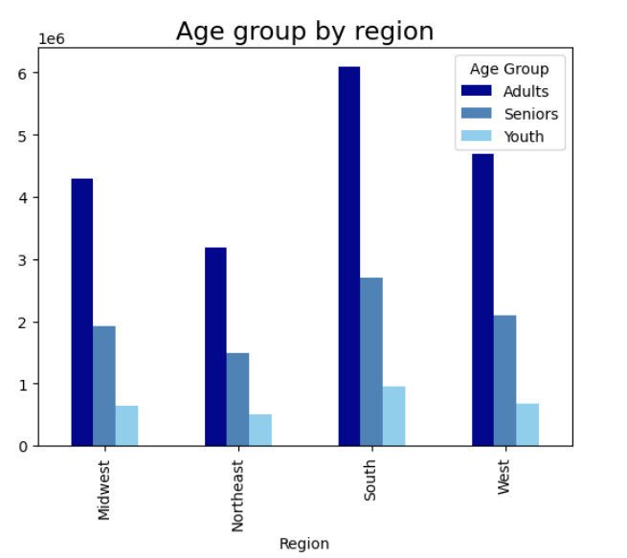

 | Figre 16. Income category by department |  |  |  |  | Figure 17. Orders detail by department |  |  |  |  |  | Figure 18. Age group by region |  |  |  |  |  | Figure 19. Income category by region
 |  |  |  |  |  |  | and age group

 | 5.6 What differences can you find in ordering habits of different customer profiles? Consider the price of orders, the frequency of orders, the products customers are ordering, and anything else you can think of

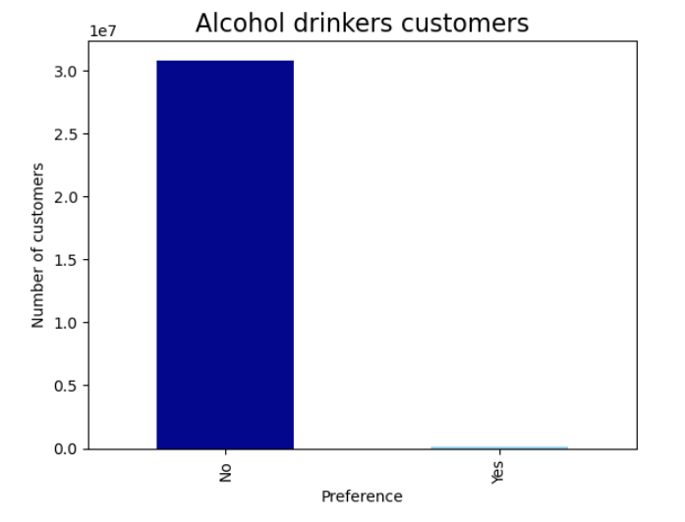
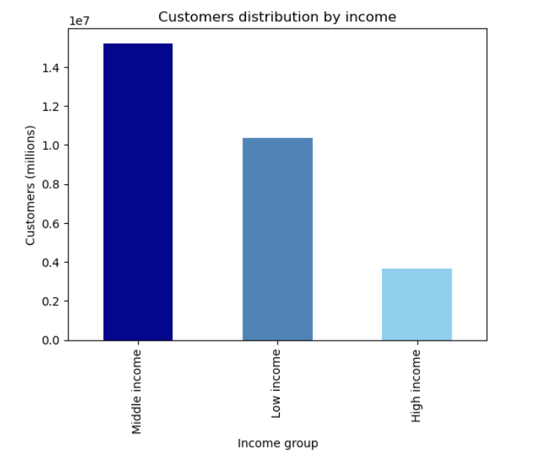
 | Frequency order by diferrent categories

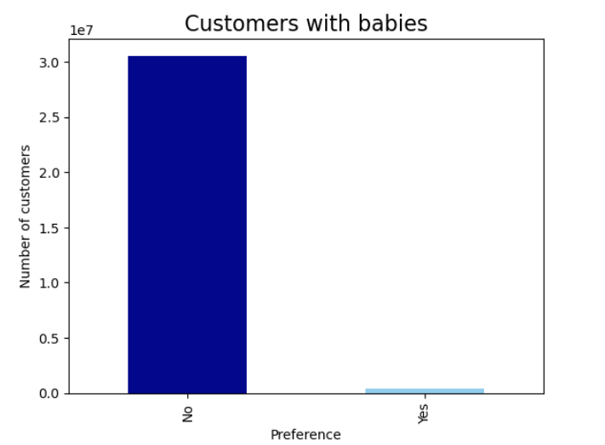
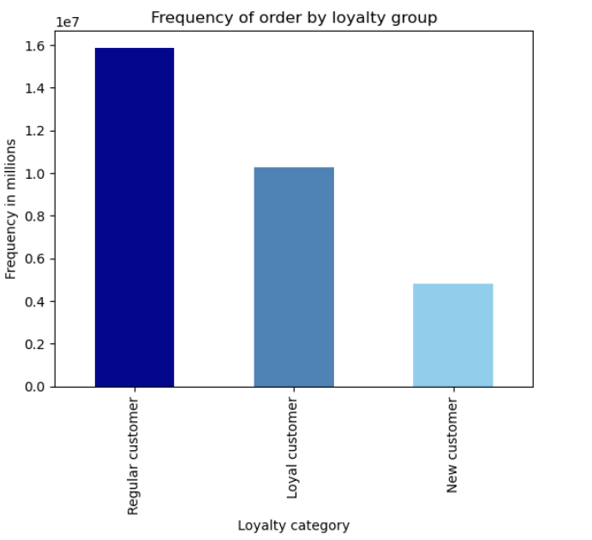
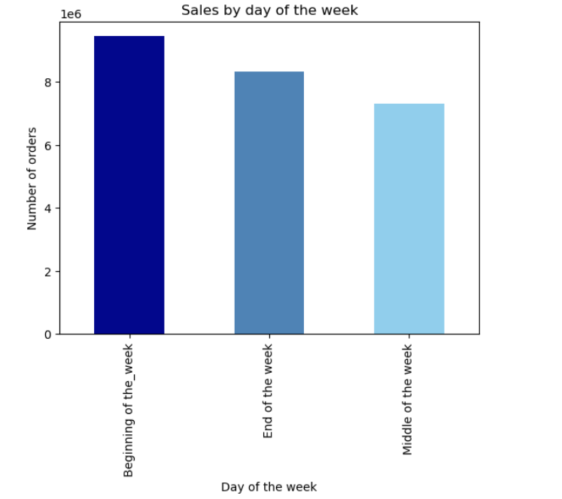

 |  |  |  |  |  |  |  |  |  |  |  | Figure 22. Alcohol drinkers customers distribution
 |  | Figure20. Customers with babies

 |  |  |  |  |  |  | Figure 21. Frequency of order by loyalty
 |  |  |  |  |  |  |  | group
 | Money spent by category |  |  |  |  |  |  |  |  |  |  |  |  |  |  |  |  |  | Figure 23. Sales by day of the week distribution

7. Recommendations
 |  | Title page

Recommendations

In this tab you should include any recommendations you would made to Instcart in terms of their marketing strategy based on the questions posed in the brief. Every key question has been covered in the Tasks of the Exercises - here you need to add an item - a visualisation or table/crosstable that is showing the answer in the data, acompanied by a comment from you. Please, list the questions below and add the answer underneath.

Question | Answer
Question 1. The sales team needs to know what the busiest days of the week and hours of the day are (i.e., the days and times with the most orders) in order to schedule ads at times when there are fewer orders. | As part of the recommendation for the advertising campaing the days recommended to reach a higher level of users are Saturdays and Sundays between 10 to 3 pm. The behavior for the sales by day of the week and time of the day can be seen in the figure 1 and figure 2 in visualizations tab, respectively. And the days and hours with opportunity to increase the sales are Tuesday, Wednesday after 7 pm to 9 am
Question 2. Particular times of the day when people spend the most money, as this might inform the type of products they advertise at these times. | The orders with higher sales occur between 5 am ad 8 am and there are also some good sales around 12 pm In the figure 3 in the visualization tab the graph shows how the money invoiced by time of the day. And also, the figure 4 shows how the orders are distributed during the day. These charts let us conclude that despite of the higher amount of orders take place between 10 am and 3 pm, the most money spent happens during 5 am and 8 am, which means that during these hours there are less orders but the price per order is higher.
Question 3. Instacart has a lot of products with different price tags. Marketing and sales want to use simpler price range groupings to help direct their efforts | In order to work on a recommendation the products were categorized according to the product price in the following groups: - Products price over 15 dolars are considered High - range product - Products price between 15 and 5 dolars are considered Mid- range product - Products under 5 dolars are considred as Low - range product As shown in the figure 6, which presents the number of produtcs by price category, the most popular products are the low range products.
Question 4. Are there certain types of products that are more popular than others? The marketing and sales teams want to know which departments have the highest frequency of product orders. | For doing the followign recommendation, the records were analyzed by department. Thenumber of products by department was counted, and according to the distribution shown in the figure 7 in the Visualizations tab, the most popular products are: 1. Produce Products 2. Dairy and eggs 3. Beverages
Question 5. The marketing and sales teams are particularly interested in the different types of customers in their system and how their ordering behaviors differ. | The customers were grouped by the customers loyalty. The categories are the following: - Loyal customer with more than 40 orders - Regular customers with less than 40 orders and more than 10 - New customers with less than 10 orders Loyal Customers - Return every 6 day ( they do their order once a week in average) - The average price of the product is 10.38 dol - The most common product they get is from produce department Regular Customers - Return every 12 days - The average price of the products the y get is 12.49 dolars - The most common product they get is in the produce department New Customer - Return every 17 days - The average price of the products they get is 13.29 dol - They usually get products from the produce department
Question 6. What different classifications does the demographic information suggest? Age? Income? Certain types of goods? Family status? | - The most common department is the produce department. In The analysis it can be concluded that despite of The region, The age, The family status. The most common products come from The produce department. - As shown in Table 7 in the Visualizations tab, the average number of products is very similar based on the age group. - According to the distribution shown in Figure 14, the married customers are the clients who have higher frequency of orders - According to the family status the most common department is the produce department and the second one is eggs and dairy.
Question 7. What differences can you find in ordering habits of different customer profiles? Consider the price of orders, the frequency of orders, the products customers are ordering, and anything else you can think of. | - The majority of the customers don’t have babies - The majority of customer don’t consume alcohol - Customers usually do their shopping at the beginning of the week

